Charts
 | District 1 | District 2 |  | District 1 |  | District 2 |  | Weighted Points |  |  | Weighted Ranking
 | Top Priority | Top Priority | Combined | 2nd | 3rd | 2nd | 3rd | District 1 | District 2 | Combined | District 1 | District 2 | Combined
Category 1: Ritual | 0 | 5 | 5 | 0 | 0 | 3 | 4 | 3 | 19 | 22 | 2 | 1 | 1
Category 2: Academic | 0 | 0 | 0 | 0 | 0 | 4 | 2 | 4 | 2 | 6 | 1 | 5 | 4
Category 3: Structural | 0 | 1 | 1 | 0 | 0 | 2 | 3 | 2 | 6 | 8 | 4 | 3 | 3
Category 4: District Engagement | 0 | 1 | 1 | 0 | 0 | 0 | 0 | 0 | 3 | 3 | 5 | 4 | 5
Category 5: Social | 0 | 5 | 5 | 0 | 0 | 3 | 3 | 3 | 18 | 21 | 2 | 2 | 2
Category 6: Charitable | 0 | 0 | 0 | 0 | 0 | 0 | 0 | 0 | 0 | 0 | 5 | 6 | 6
Top Priorities of District 1
Weighted Priorities, District 1

Top Priorities of District 2
Weighted Priorities, District 2

Top Priorities, Districts 1 & 2 Combined
Weighted Priorities, Districts 1 & 2 Combined

Category Descriptions
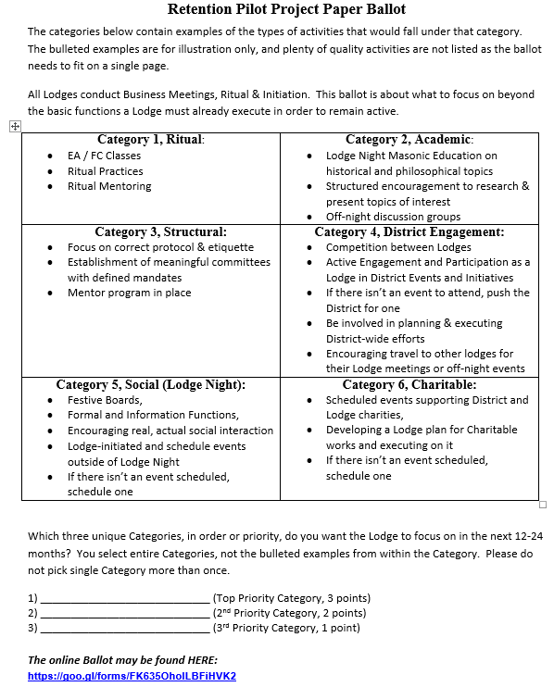
Category
Category 1: Ritual
Category 2: Academic
Category 3: Structural
Category 4: District Engagement
Category 5: Social
Category 6: Charitable

